ZoneSummary
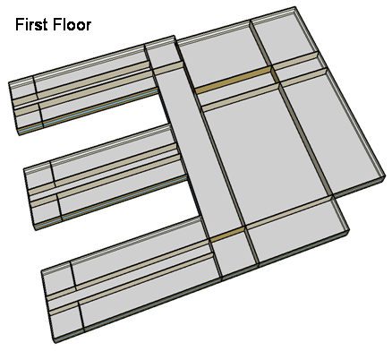
Zone Summary
Zone Name | Conditioned (Y/N) | Multiplier | Area (m2) | Volume (m3) | Floor-to-Ceiling Height (m) | Gross Wall Area (m2) | Window Glass Area (m2) | People (m2/per) | People | Lights (W/m2) | Elec Plug and Process (W/m2) | Gas Plug and Process (W/m2) | SWH (L/h) | Ventilation (L/s/Person) | Ventilation (L/s/m2) | Ventilation Total (L/s) | Exhaust (L/s) | Infiltration (ACH)
CORNER_CLASS_1_POD_1_ZN_1_FLR_1 | Yes | 1 | 99 | 396 | 4.00 | 80 | 28 | 4.00 | 24.75 | 21.53 | 10.00 |  |  | 8.00 |  | 198.00 |  | 0.82
MULT_CLASS_1_POD_1_ZN_1_FLR_1 | Yes | 1 | 477 | 1,908 | 4.00 | 212 | 74 | 4.00 | 119.25 | 21.53 | 10.00 |  |  | 8.00 |  | 954.00 |  | 0.45
CORRIDOR_POD_1_ZN_1_FLR_1 | Yes | 1 | 320 | 1,280 | 4.00 | 20 | 7 | 10.00 | 32.00 | 9.26 | 4.00 |  |  |  | 0.50 | 160.00 |  | 0.06
CORNER_CLASS_2_POD_1_ZN_1_FLR_1 | Yes | 1 | 99 | 396 | 4.00 | 80 | 28 | 4.00 | 24.75 | 21.53 | 10.00 |  |  | 8.00 |  | 198.00 |  | 0.82
MULT_CLASS_2_POD_1_ZN_1_FLR_1 | Yes | 1 | 477 | 1,908 | 4.00 | 212 | 74 | 4.00 | 119.25 | 21.53 | 10.00 |  |  | 8.00 |  | 954.00 |  | 0.45
CORNER_CLASS_1_POD_2_ZN_1_FLR_1 | Yes | 1 | 99 | 396 | 4.00 | 80 | 28 | 4.00 | 24.75 | 21.53 | 10.00 |  |  | 8.00 |  | 198.00 |  | 0.82
MULT_CLASS_1_POD_2_ZN_1_FLR_1 | Yes | 1 | 477 | 1,908 | 4.00 | 212 | 74 | 4.00 | 119.25 | 21.53 | 10.00 |  |  | 8.00 |  | 954.00 |  | 0.45
CORRIDOR_POD_2_ZN_1_FLR_1 | Yes | 1 | 320 | 1,280 | 4.00 | 20 | 7 | 10.00 | 32.00 | 9.26 | 4.00 |  |  |  | 0.50 | 160.00 |  | 0.06
CORNER_CLASS_2_POD_2_ZN_1_FLR_1 | Yes | 1 | 99 | 396 | 4.00 | 80 | 28 | 4.00 | 24.75 | 21.53 | 10.00 |  |  | 8.00 |  | 198.00 |  | 0.82
MULT_CLASS_2_POD_2_ZN_1_FLR_1 | Yes | 1 | 477 | 1,908 | 4.00 | 212 | 74 | 4.00 | 119.25 | 21.53 | 10.00 |  |  | 8.00 |  | 954.00 |  | 0.45
CORNER_CLASS_1_POD_3_ZN_1_FLR_1 | Yes | 1 | 99 | 396 | 4.00 | 80 | 28 | 4.00 | 24.75 | 21.53 | 10.00 |  |  | 8.00 |  | 198.00 |  | 0.82
MULT_CLASS_1_POD_3_ZN_1_FLR_1 | Yes | 1 | 477 | 1,908 | 4.00 | 212 | 74 | 4.00 | 119.25 | 21.53 | 10.00 |  |  | 8.00 |  | 954.00 |  | 0.45
CORRIDOR_POD_3_ZN_1_FLR_1 | Yes | 1 | 320 | 1,280 | 4.00 | 20 | 7 | 10.00 | 32.00 | 9.26 | 4.00 |  |  |  | 0.50 | 160.00 |  | 0.06
CORNER_CLASS_2_POD_3_ZN_1_FLR_1 | Yes | 1 | 99 | 396 | 4.00 | 80 | 28 | 4.00 | 24.75 | 21.53 | 10.00 |  |  | 8.00 |  | 198.00 |  | 0.82
MULT_CLASS_2_POD_3_ZN_1_FLR_1 | Yes | 1 | 477 | 1,908 | 4.00 | 212 | 74 | 4.00 | 119.25 | 21.53 | 10.00 |  |  | 8.00 |  | 954.00 |  | 0.45
MAIN_CORRIDOR_ZN_1_FLR_1 | Yes | 1 | 1140 | 4,560 | 4.00 | 200 | 70 |  | 0.00 | 10.75 | 4.00 |  |  |  | 0.50 | 570.00 |  | 0.18
LOBBY_ZN_1_FLR_1 | Yes | 1 | 210 | 840 | 4.00 | 60 | 21 |  | 0.00 | 12.01 | 4.00 |  |  |  | 0.50 | 105.00 |  | 0.29
BATHROOMS_ZN_1_FLR_1 | Yes | 1 | 210 | 840 | 4.00 | 116 | 41 | 10.00 | 21.00 | 9.61 | 4.00 |  | 197.5 | 25.00 |  | 300.00 | 300.00 | 0.56
OFFICES_ZN_1_FLR_1 | Yes | 1 | 532 | 2,128 | 4.00 | 208 | 73 | 20.00 | 26.60 | 20.10 | 10.76 |  |  | 10.00 |  | 266.00 |  | 0.40
GYM_ZN_1_FLR_1 | Yes | 1 | 1976 | 15,808 | 8.00 | 0 | 80 | 1.00 | 1976.00 | 11.39 | 5.00 |  | 717.2 | 10.00 |  | 19760.00 |  | 0.00
AUX_GYM_ZN_1_FLR_1 | Yes | 1 | 1248 | 9,984 | 8.00 | 608 | 266 | 3.00 | 416.00 | 11.81 | 5.00 |  |  | 10.00 |  | 4160.00 |  | 0.25
AUDITORIUM_ZN_1_FLR_1 | Yes | 1 | 988 | 7,904 | 8.00 | 512 | 106 | 1.00 | 988.00 | 12.08 | 5.00 |  |  | 8.00 |  | 7904.00 |  | 0.26
KITCHEN_ZN_1_FLR_1 | Yes | 1 | 216 | 864 | 4.00 | 36 | 13 | 6.00 | 36.00 | 16.77 | 222.27 | 1119.45 | 503.5 | 8.00 |  | 288.00 | 1887.79 | 0.17
CAFETERIA_ZN_1_FLR_1 | Yes | 1 | 624 | 2,496 | 4.00 | 200 | 70 | 1.39 | 448.92 | 14.38 | 19.27 |  |  | 10.00 |  | 4489.21 |  | 0.33
MECH_ZN_1_FLR_1 | Yes | 1 | 342 | 1,368 | 4.00 | 0 | 0 | 100.00 | 3.42 | 8.06 | 4.00 |  |  |  | 0.25 | 85.50 |  | 0.00
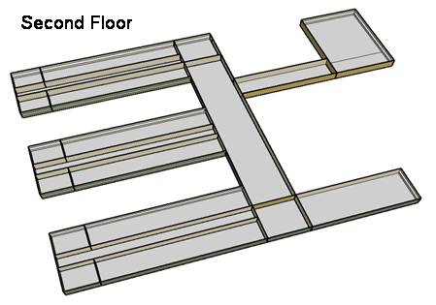
CORNER_CLASS_1_POD_1_ZN_1_FLR_2 | Yes | 1 | 99 | 396 | 4.00 | 80 | 28 | 4.00 | 24.75 | 21.53 | 10.00 |  |  | 8.00 |  | 198.00 |  | 1.84
MULT_CLASS_1_POD_1_ZN_1_FLR_2 | Yes | 1 | 477 | 1,908 | 4.00 | 212 | 74 | 4.00 | 119.25 | 21.53 | 10.00 |  |  | 8.00 |  | 954.00 |  | 1.47
CORRIDOR_POD_1_ZN_1_FLR_2 | Yes | 1 | 320 | 1,280 | 4.00 | 20 | 7 | 10.00 | 32.00 | 9.26 | 4.00 |  |  |  | 0.50 | 160.00 |  | 1.08
CORNER_CLASS_2_POD_1_ZN_1_FLR_2 | Yes | 1 | 99 | 396 | 4.00 | 80 | 28 | 4.00 | 24.75 | 21.53 | 10.00 |  |  | 8.00 |  | 198.00 |  | 1.84
MULT_CLASS_2_POD_1_ZN_1_FLR_2 | Yes | 1 | 477 | 1,908 | 4.00 | 212 | 74 | 4.00 | 119.25 | 21.53 | 10.00 |  |  | 8.00 |  | 954.00 |  | 1.47
CORNER_CLASS_1_POD_2_ZN_1_FLR_2 | Yes | 1 | 99 | 396 | 4.00 | 80 | 28 | 4.00 | 24.75 | 21.53 | 10.00 |  |  | 8.00 |  | 198.00 |  | 1.84
MULT_CLASS_1_POD_2_ZN_1_FLR_2 | Yes | 1 | 477 | 1,908 | 4.00 | 212 | 74 | 4.00 | 119.25 | 21.53 | 10.00 |  |  | 8.00 |  | 954.00 |  | 1.47
CORRIDOR_POD_2_ZN_1_FLR_2 | Yes | 1 | 320 | 1,280 | 4.00 | 20 | 7 | 10.00 | 32.00 | 9.26 | 4.00 |  |  |  | 0.50 | 160.00 |  | 1.08
CORNER_CLASS_2_POD_2_ZN_1_FLR_2 | Yes | 1 | 99 | 396 | 4.00 | 80 | 28 | 4.00 | 24.75 | 21.53 | 10.00 |  |  | 8.00 |  | 198.00 |  | 1.84
MULT_CLASS_2_POD_2_ZN_1_FLR_2 | Yes | 1 | 477 | 1,908 | 4.00 | 212 | 74 | 4.00 | 119.25 | 21.53 | 10.00 |  |  | 8.00 |  | 954.00 |  | 1.47
CORNER_CLASS_1_POD_3_ZN_1_FLR_2 | Yes | 1 | 99 | 396 | 4.00 | 80 | 28 | 4.00 | 24.75 | 21.53 | 10.00 |  |  | 8.00 |  | 198.00 |  | 1.84
MULT_CLASS_1_POD_3_ZN_1_FLR_2 | Yes | 1 | 477 | 1,908 | 4.00 | 212 | 74 | 4.00 | 119.25 | 21.53 | 20.00 |  |  | 8.00 |  | 954.00 |  | 1.47
CORRIDOR_POD_3_ZN_1_FLR_2 | Yes | 1 | 320 | 1,280 | 4.00 | 20 | 7 | 10.00 | 32.00 | 9.26 | 4.00 |  |  |  | 0.50 | 160.00 |  | 1.08
CORNER_CLASS_2_POD_3_ZN_1_FLR_2 | Yes | 1 | 99 | 396 | 4.00 | 80 | 28 | 4.00 | 24.75 | 21.53 | 10.00 |  |  | 8.00 |  | 198.00 |  | 1.84
MULT_CLASS_2_POD_3_ZN_1_FLR_2 | Yes | 1 | 477 | 1,908 | 4.00 | 212 | 74 | 4.00 | 119.25 | 21.53 | 20.00 |  |  | 8.00 |  | 954.00 |  | 1.47
MAIN_CORRIDOR_ZN_1_FLR_2 | Yes | 1 | 1140 | 4,560 | 4.00 | 200 | 70 |  | 0.00 | 10.75 | 4.00 |  |  |  | 0.50 | 570.00 |  | 1.20
LOBBY_ZN_1_FLR_2 | Yes | 1 | 210 | 840 | 4.00 | 60 | 21 |  | 0.00 | 12.01 | 4.00 |  |  |  | 0.50 | 105.00 |  | 1.31
BATHROOMS_ZN_1_FLR_2 | Yes | 1 | 210 | 840 | 4.00 | 116 | 41 | 10.00 | 21.00 | 9.61 | 4.00 |  | 197.5 | 25.00 |  | 300.00 | 300.00 | 1.58
OFFICES_ZN_1_FLR_2 | Yes | 1 | 532 | 2,128 | 4.00 | 208 | 73 | 20.00 | 26.60 | 20.10 | 10.76 |  |  | 10.00 |  | 266.00 |  | 1.42
LIBRARY_MEDIA_CENTER_ZN_1_FLR_2 | Yes | 1 | 840 | 3,360 | 4.00 | 236 | 83 | 4.35 | 193.10 | 16.34 | 10.00 |  |  | 8.00 |  | 1544.83 |  | 1.31
MECH_ZN_1_FLR_2 | Yes | 1 | 342 | 1,368 | 4.00 | 0 | 0 | 100.00 | 3.42 | 8.06 | 4.00 |  |  |  | 0.25 | 85.50 |  | 1.02
Total Conditioned Zones |  |  | 19,592 | 95,216 |  | 6,384 | 2,296 |  | 6,080

Data Source |  |  |  |  |  |  |  | 1 |  | 2 | 4, 5 | 4, 5 | 4, 5 | 3 | 3 | 3 | 4 | 4

Sources
[1] Pless, S.; Torcellini, P.; Long, N. (2007). Technical Support Document: Development of the Advanced Energy Design Guide for K-12 Schools--30% Energy Savings. 178 pp.; NREL Report No. TP-550-42114. http://www.nrel.gov/docs/fy07osti/42114.pdf
[2] ASHRAE Standard 90.1-1989, Atlanta, GA: American Society of Heating, Refrigerating and Air-Conditioning Engineers.
[3] ASHRAE Standard 62-1999 Table 6-1, Atlanta, GA: American Society of Heating, Refrigerating and Air-Conditioning Engineers.
[4] DOE Commercial Reference Buildings Report
[5] Smith, V. A. and D.R. Fisher. (2001). Estimating Food Service Loads and Profiles. ASHRAE Transactions 2001. V. 107. Pt 2. Atlanta, GA: American Society of Heating, Refrigerating and Air-Conditioning Engineers.

Picture
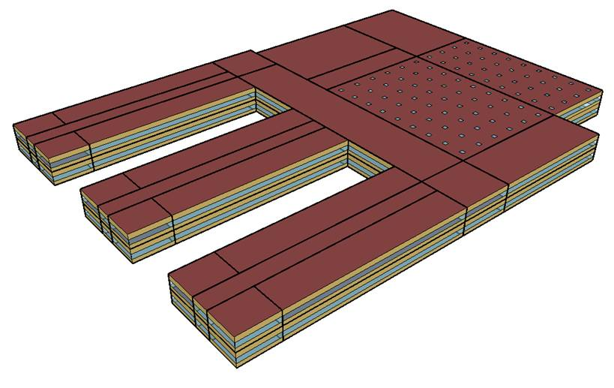
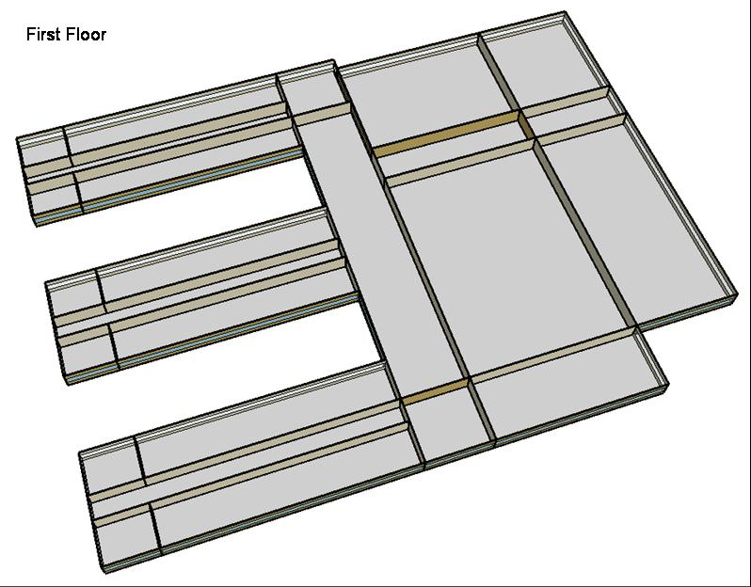
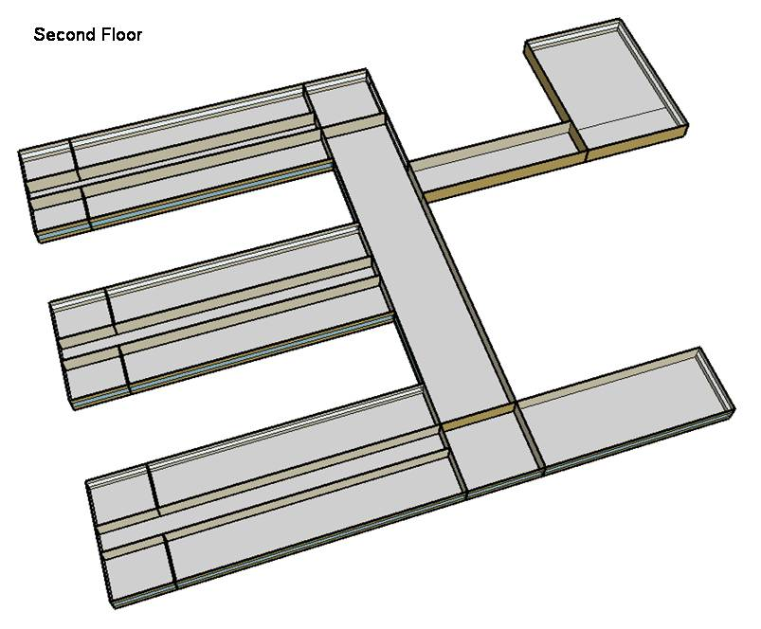
DOE Commercial Building Benchmark - Secondary School

Electricity
 | Cooling | Interior Lighting | Exterior Lighting | Interior Equipment | Fans | Pumps | Refrigeration
Miami | 4,551,300.00 | 1,137,911.11 | 95,611.11 | 632,727.78 | 371,638.89 | 23,536.11 | 43,705.56
Houston | 3,073,322.22 | 1,137,911.11 | 95,575.00 | 632,727.78 | 321,463.89 | 13,561.11 | 41,716.67
Phoenix | 3,333,666.67 | 1,137,911.11 | 95,555.56 | 632,727.78 | 355,358.33 | 14,411.11 | 41,830.56
Atlanta | 1,937,619.44 | 1,137,911.11 | 95,541.67 | 632,727.78 | 309,730.56 | 9,483.33 | 39,866.67
Los Angeles | 1,559,802.78 | 1,137,911.11 | 95,469.44 | 632,727.78 | 308,336.11 | 7,177.78 | 39,922.22
Las Vegas | 2,143,322.22 | 1,137,911.11 | 95,447.22 | 632,727.78 | 329,916.67 | 10,675.00 | 40,483.33
San Francisco | 702,563.89 | 1,137,911.11 | 95,497.22 | 632,727.78 | 294,447.22 | 3,761.11 | 38,211.11
Baltimore | 1,473,866.67 | 1,137,911.11 | 95,438.89 | 632,727.78 | 300,969.44 | 7,341.67 | 38,680.56
Albuquerque | 935,922.22 | 1,137,911.11 | 95,475.00 | 632,727.78 | 317,477.78 | 7,013.89 | 38,644.44
Seattle | 436,844.44 | 1,137,911.11 | 95,286.11 | 632,727.78 | 282,516.67 | 3,266.67 | 37,430.56
Chicago | 1,108,955.56 | 1,137,911.11 | 95,455.56 | 632,727.78 | 309,930.56 | 6,402.78 | 37,838.89
Boulder | 624,452.78 | 1,137,911.11 | 95,400.00 | 632,727.78 | 307,147.22 | 4,911.11 | 37,625.00
Minneapolis | 910,866.67 | 1,137,911.11 | 95,391.67 | 632,727.78 | 314,866.67 | 6,719.44 | 37,455.56
Helena | 406,597.22 | 1,137,911.11 | 95,369.44 | 632,727.78 | 312,988.89 | 4,930.56 | 36,766.67
Duluth | 407,308.33 | 1,137,911.11 | 95,316.67 | 632,727.78 | 318,880.56 | 5,591.67 | 36,186.11
Fairbanks | 235,211.11 | 1,137,911.11 | 94,733.33 | 632,727.78 | 368,716.67 | 9,036.11 | 35,227.78

Gas
 | Heating | Interior Equipment | Water Systems
Miami | 218,680.00 | 353,390.00 | 259,790.00
Houston | 2,116,720.00 | 353,390.00 | 327,950.00
Phoenix | 1,474,300.00 | 353,390.00 | 296,780.00
Atlanta | 4,158,260.00 | 353,390.00 | 388,530.00
Los Angeles | 1,265,080.00 | 353,390.00 | 367,990.00
Las Vegas | 2,327,100.00 | 353,390.00 | 341,320.00
San Francisco | 3,577,440.00 | 353,390.00 | 419,270.00
Baltimore | 6,906,370.00 | 353,390.00 | 436,740.00
Albuquerque | 4,572,220.00 | 353,390.00 | 427,470.00
Seattle | 6,702,380.00 | 353,390.00 | 453,760.00
Chicago | 9,415,420.00 | 353,390.00 | 477,760.00
Boulder | 6,575,680.00 | 353,390.00 | 473,930.00
Minneapolis | 12,545,750.00 | 353,390.00 | 514,340.00
Helena | 9,994,050.00 | 353,390.00 | 517,700.00
Duluth | 15,148,620.00 | 353,390.00 | 568,950.00
Fairbanks | 26,730,970.00 | 353,390.00 | 633,610.00

EUI
 | Cooling (elec) | Interior Lighting (elec) | Exterior Lighting (elec) | Interior Equipment (elec) | Fans (elec) | Pumps (elec) | Refrigeration (elec) | Heating (gas) | Interior Equipment (gas)
Miami | 836.29 | 209.09 | 17.57 | 116.26 | 68.29 | 4.32 | 8.03 | 11.16 | 18.04
Houston | 564.72 | 209.09 | 17.56 | 116.26 | 59.07 | 2.49 | 7.67 | 108.04 | 18.04
Phoenix | 612.56 | 209.09 | 17.56 | 116.26 | 65.30 | 2.65 | 7.69 | 75.25 | 18.04
Atlanta | 356.03 | 209.09 | 17.56 | 116.26 | 56.91 | 1.74 | 7.33 | 212.24 | 18.04
Los Angeles | 286.61 | 209.09 | 17.54 | 116.26 | 56.66 | 1.32 | 7.34 | 64.57 | 18.04
Las Vegas | 393.83 | 209.09 | 17.54 | 116.26 | 60.62 | 1.96 | 7.44 | 118.78 | 18.04
San Francisco | 129.10 | 209.09 | 17.55 | 116.26 | 54.10 | 0.69 | 7.02 | 182.60 | 18.04
Baltimore | 270.82 | 209.09 | 17.54 | 116.26 | 55.30 | 1.35 | 7.11 | 352.51 | 18.04
Albuquerque | 171.97 | 209.09 | 17.54 | 116.26 | 58.34 | 1.29 | 7.10 | 233.37 | 18.04
Seattle | 80.27 | 209.09 | 17.51 | 116.26 | 51.91 | 0.60 | 6.88 | 342.10 | 18.04
Chicago | 203.77 | 209.09 | 17.54 | 116.26 | 56.95 | 1.18 | 6.95 | 480.57 | 18.04
Boulder | 114.74 | 209.09 | 17.53 | 116.26 | 56.44 | 0.90 | 6.91 | 335.63 | 18.04
Minneapolis | 167.37 | 209.09 | 17.53 | 116.26 | 57.86 | 1.23 | 6.88 | 640.35 | 18.04
Helena | 74.71 | 209.09 | 17.52 | 116.26 | 57.51 | 0.91 | 6.76 | 510.11 | 18.04
Duluth | 74.84 | 209.09 | 17.51 | 116.26 | 58.59 | 1.03 | 6.65 | 773.20 | 18.04
Fairbanks | 43.22 | 209.09 | 17.41 | 116.26 | 67.75 | 1.66 | 6.47 | 1364.38 | 18.04

Water
 | Total Building | Water for Electricity (m3)
Miami | 2,677.93 | 3,632.25
Houston | 2,677.93 | 8,650.20
Phoenix | 2,677.93 | 166,685.00
Atlanta | 2,677.93 | 25,991.40
Los Angeles | 2,677.93 | 66,391.90
Las Vegas | 2,677.93 | 120,449.00
San Francisco | 2,677.93 | 51,007.40
Baltimore | 2,677.93 | 837.07
Albuquerque | 2,677.93 | 14,372.40
Seattle | 2,677.93 | 26,829.10
Chicago | 2,677.93 | 5,165.09
Boulder | 2,677.93 | 12,896.70
Minneapolis | 2,677.93 | 4,865.22
Helena | 2,677.93 | 166,424.00
Duluth | 2,677.93 | 4,086.37
Fairbanks | 2,677.93 | 2,568.06

Carbon
 | Carbon Equivalent (kg)
Miami | 1,895,370.00
Houston | 1,823,760.00
Phoenix | 1,732,270.00
Atlanta | 1,370,680.00
Los Angeles | 477,731.34
Las Vegas | 1,535,290.00
San Francisco | 417,953.45
Baltimore | 1,133,730.00
Albuquerque | 1,389,500.00
Seattle | 326,678.21
Chicago | 1,959,750.00
Boulder | 1,293,700.00
Minneapolis | 1,315,290.00
Helena | 1,156,040.00
Duluth | 1,191,370.00
Fairbanks | 1,207,120.00

LghtSch
Lighting Schedules
 | School year weekday | School year weekend | Summer weekday | Summer weekend
 | 0.1773 | 0.1773 | 0.1773 | 0.1773
 | 0.1773 | 0.1773 | 0.1773 | 0.1773
 | 0.1773 | 0.1773 | 0.1773 | 0.1773
 | 0.1773 | 0.1773 | 0.1773 | 0.1773
 | 0.1773 | 0.1773 | 0.1773 | 0.1773
 | 0.1773 | 0.1773 | 0.1773 | 0.1773
 | 0.1773 | 0.1773 | 0.1773 | 0.1773
 | 0.9 | 0.1773 | 0.1773 | 0.1773
 | 0.9 | 0.1773 | 0.5 | 0.1773
 | 0.9 | 0.1773 | 0.5 | 0.1773
 | 0.9 | 0.1773 | 0.5 | 0.1773
 | 0.9 | 0.1773 | 0.5 | 0.1773
 | 0.9 | 0.1773 | 0.5 | 0.1773
 | 0.9 | 0.1773 | 0.5 | 0.1773
 | 0.9 | 0.1773 | 0.5 | 0.1773
 | 0.9 | 0.1773 | 0.5 | 0.1773
 | 0.9 | 0.1773 | 0.5 | 0.1773
 | 0.9 | 0.1773 | 0.5 | 0.1773
 | 0.9 | 0.1773 | 0.5 | 0.1773
 | 0.9 | 0.1773 | 0.5 | 0.1773
 | 0.9 | 0.1773 | 0.1773 | 0.1773
 | 0.1773 | 0.1773 | 0.1773 | 0.1773
 | 0.1773 | 0.1773 | 0.1773 | 0.1773
 | 0.1773 | 0.1773 | 0.1773 | 0.1773

EqpSch
Equipment Schedules
 | School year weekday | School year weekend | Summer weekday | Summer weekend
 | 0.35 | 0.35 | 0.25 | 0.25
 | 0.35 | 0.35 | 0.25 | 0.25
 | 0.35 | 0.35 | 0.25 | 0.25
 | 0.35 | 0.35 | 0.25 | 0.25
 | 0.35 | 0.35 | 0.25 | 0.25
 | 0.35 | 0.35 | 0.25 | 0.25
 | 0.35 | 0.35 | 0.25 | 0.25
 | 0.35 | 0.35 | 0.25 | 0.25
 | 0.95 | 0.35 | 0.5 | 0.25
 | 0.95 | 0.35 | 0.5 | 0.25
 | 0.95 | 0.35 | 0.5 | 0.25
 | 0.95 | 0.35 | 0.5 | 0.25
 | 0.95 | 0.35 | 0.5 | 0.25
 | 0.95 | 0.35 | 0.5 | 0.25
 | 0.95 | 0.35 | 0.5 | 0.25
 | 0.95 | 0.35 | 0.5 | 0.25
 | 0.95 | 0.35 | 0.5 | 0.25
 | 0.35 | 0.35 | 0.25 | 0.25
 | 0.35 | 0.35 | 0.25 | 0.25
 | 0.35 | 0.35 | 0.25 | 0.25
 | 0.35 | 0.35 | 0.25 | 0.25
 | 0.35 | 0.35 | 0.25 | 0.25
 | 0.35 | 0.35 | 0.25 | 0.25
 | 0.35 | 0.35 | 0.25 | 0.25

ClassOccSch
Classroom Occupancy Schedules
 | School year weekday | Summer weekday
 | 0 | 0
 | 0 | 0
 | 0 | 0
 | 0 | 0
 | 0 | 0
 | 0 | 0
 | 0 | 0
 | 0 | 0.15
 | 0.25 | 0.15
 | 0.25 | 0.05
 | 0.25 | 0.05
 | 0.25 | 0.95
 | 0.25 | 0.95
 | 0.25 | 0.15
 | 0.25 | 0.15
 | 0.95 | 0
 | 0.95 | 0
 | 0.1 | 0
 | 0.1 | 0
 | 0.1 | 0
 | 0 | 0
 | 0 | 0
 | 0 | 0
 | 0 | 0

OffcOccSch
Office Occupancy Schedules
 | School year weekday | Summer weekday
 | 0 | 0
 | 0 | 0
 | 0 | 0
 | 0 | 0
 | 0 | 0
 | 0 | 0
 | 0 | 0
 | 0 | 0
 | 0.95 | 0.5
 | 0.95 | 0.5
 | 0.95 | 0.5
 | 0.95 | 0.5
 | 0.95 | 0.5
 | 0.95 | 0.5
 | 0.95 | 0.5
 | 0.95 | 0.5
 | 0.95 | 0.5
 | 0.15 | 0
 | 0.15 | 0
 | 0.15 | 0
 | 0.15 | 0
 | 0 | 0
 | 0 | 0
 | 0 | 0

OtherOccSch
Occupancy Schedules
 | Gym school year weekday | Gym summer weekday | Cafeteria school year weekday | Cafeteria summer weekday | Auditorium school year weekday | Auditorium summer weekday
 | 0 | 0 | 0 | 0 | 0 | 0
 | 0 | 0 | 0 | 0 | 0 | 0
 | 0 | 0 | 0 | 0 | 0 | 0
 | 0 | 0 | 0 | 0 | 0 | 0
 | 0 | 0 | 0 | 0 | 0 | 0
 | 0 | 0 | 0 | 0 | 0 | 0
 | 0 | 0 | 0 | 0 | 0 | 0
 | 0 | 0 | 0.15 | 0 | 0 | 0
 | 0.35 | 0.35 | 0.15 | 0 | 0.25 | 0.15
 | 0.35 | 0.35 | 0.05 | 0.25 | 0.25 | 0.15
 | 0.35 | 0.35 | 0.05 | 0.25 | 0.25 | 0.15
 | 0.35 | 0.35 | 0.95 | 0.25 | 0.25 | 0.15
 | 0.35 | 0.35 | 0.95 | 0.25 | 0.25 | 0.15
 | 0.35 | 0.35 | 0.15 | 0.25 | 0.25 | 0.15
 | 0.35 | 0.35 | 0.15 | 0.25 | 0.25 | 0.15
 | 0.35 | 0.35 | 0 | 0 | 0.95 | 0.15
 | 0.95 | 0.35 | 0 | 0 | 0.95 | 0.15
 | 0.95 | 0.35 | 0 | 0 | 0.1 | 0.35
 | 0.95 | 0.35 | 0 | 0 | 0.1 | 0.35
 | 0.95 | 0.35 | 0 | 0 | 0.1 | 0
 | 0.95 | 0.35 | 0 | 0 | 0 | 0
 | 0 | 0 | 0 | 0 | 0 | 0
 | 0 | 0 | 0 | 0 | 0 | 0
 | 0 | 0 | 0 | 0 | 0 | 0

HeatSch
Heating Set Point Schedules
 | Weekday | Weekend | Restrooms & Mech.
 | 16 | 16 | 16
 | 16 | 16 | 16
 | 16 | 16 | 16
 | 16 | 16 | 16
 | 16 | 16 | 16
 | 16 | 16 | 16
 | 21 | 16 | 16
 | 21 | 16 | 16
 | 21 | 16 | 16
 | 21 | 16 | 16
 | 21 | 16 | 16
 | 21 | 16 | 16
 | 21 | 16 | 16
 | 21 | 16 | 16
 | 21 | 16 | 16
 | 21 | 16 | 16
 | 21 | 16 | 16
 | 21 | 16 | 16
 | 21 | 16 | 16
 | 21 | 16 | 16
 | 21 | 16 | 16
 | 16 | 16 | 16
 | 16 | 16 | 16
 | 16 | 16 | 16

CoolSch
Cooling Set Point Schedules
 | Weekday | Weekend | Restrooms & Mech.
 | 27 | 27 | 27
 | 27 | 27 | 27
 | 27 | 27 | 27
 | 27 | 27 | 27
 | 27 | 27 | 27
 | 27 | 27 | 27
 | 24 | 27 | 27
 | 24 | 27 | 27
 | 24 | 27 | 27
 | 24 | 27 | 27
 | 24 | 27 | 27
 | 24 | 27 | 27
 | 24 | 27 | 27
 | 24 | 27 | 27
 | 24 | 27 | 27
 | 24 | 27 | 27
 | 24 | 27 | 27
 | 24 | 27 | 27
 | 24 | 27 | 27
 | 24 | 27 | 27
 | 24 | 27 | 27
 | 27 | 27 | 27
 | 27 | 27 | 27
 | 27 | 27 | 27

